Top 10 countries
Write a query to find the top 10 countries for Rockbuster in terms of customer numbers.
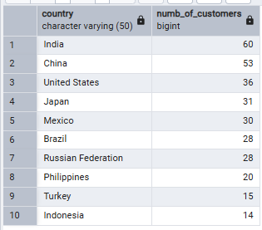
SELECT ctry.country,
COUNT(cust.customer_id) AS numb_of_customers
FROM customer AS cust
INNER JOIN address AS adr ON cust.address_id = adr.address_id
INNER JOIN city AS cty ON adr.city_id = cty.city_id
INNER JOIN country AS ctry ON cty.country_id = ctry.country_id
GROUP BY ctry.country
ORDER BY numb_of_customers DESC
LIMIT 10;

Top 10 cities
Write a query to identify the top 10 cities that fall within the top 10 countries you identified in step 1.

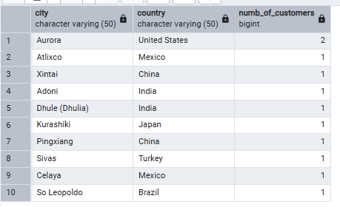
SELECT cty.city,
ctry.country,
COUNT(cust.customer_id) AS numb_of_customers
FROM customer AS cust
INNER JOIN address AS adr ON cust.address_id = adr.address_id
INNER JOIN city AS cty ON adr.city_id = cty.city_id
INNER JOIN country AS ctry ON cty.country_id = ctry.country_id
WHERE ctry.country IN (
SELECT ctry.country
FROM customer AS cust
INNER JOIN address AS adr ON cust.address_id = adr.address_id
INNER JOIN city AS cty ON adr.city_id = cty.city_id
INNER JOIN country AS ctry ON cty.country_id = ctry.country_id
GROUP BY ctry.country
ORDER BY COUNT(cust.customer_id) DESC
LIMIT 10
)
GROUP BY cty.city, ctry.country
ORDER BY numb_of_customers DESC
LIMIT 10;

Top 10 Movies by revenue
Top 10 Movies by revenue


SELECT film.title AS movie_title,
 | SUM(payment_amount) AS movie_revenue
FROM payment
INNER JOIN rental ON payment.rental_id=rental.rental_id
INNER JOIN inventory on rental.inventory_id=inventory.inventory_id
INNER JOIN film ON inventory.film_id=film.film_id
GROUP BY movie_title
ORDER BY movie_revenue DESC
LIMIT 10;

Revenue by rating
Revenue by rating

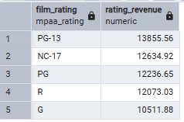
SELECT film.rating AS film_rating,
 | SUM (payment.amount) AS rating_revenue
FROM payment
INNER JOIN rental ON payment.rental_id=rental.rental_id
INNER JOIN inventory ON rental.inventory_id=inventory.inventory_id
INNER JOIN film ON inventory.film_id=film.film_id
GROUP BY film_rating
ORDER BY rating_revenue DESC
LIMIT 10;

Revenue by Genre
Revenue by Genre
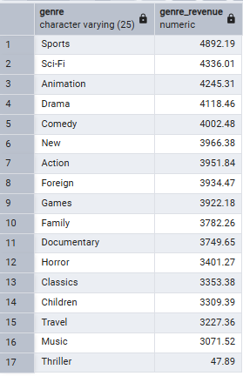
SELECT category.name AS genre,
 | SUM(payment.amount) AS genre_revenue
FROM payment
INNER JOIN rental ON payment.rental_id=rental.rental_id
INNER JOIN inventory ON rental.inventory_id=inventory.inventory_id
INNER JOIN film_category ON inventory.film_id=film_category.film_id
INNER JOIN category ON film_category.category_id=category.category_id
GROUP BY genre
ORDER BY genre_revenue DESC
;

Lifetime value
Lifetime value

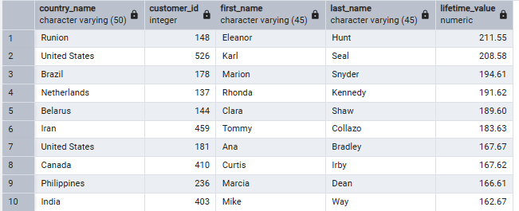
SELECT country.country AS country_name,
 | customer.customer_id,
 | customer.first_name AS first_name,
 | customer.last_name AS last_name,
 | SUM (payment.amount) AS lifetime_value
FROM payment
INNER JOIN customer ON payment.customer_id=customer.customer_id
INNER JOIN address ON customer.address_id=address.address_id
INNER JOIN city ON address.city_id=city.city_id
INNER JOIN country ON city.country_id=country.country_id
GROUP BY country_name, first_name, last_name, customer.customer_id
ORDER BY lifetime_value DESC
LIMIT 10;

